Survey Sheet
 |  |  | Inground Jack Data Form
 |  |  | Type: | New Construction |  |  |  | Replacement
 |  |  | Project Status: |  | Quotation Request |  |  |  | Order
Customer Information |  |  |  |  |  | Project Information
Date: | 1/9/20 | Cust. PO#: |  |  |  | Job Name: |  |  |  |  |  |  |  |  |  |  | Car #:
Name: |  |  |  |  |  | Location:
Address:
 |  |  |  |  |  | Capacity: |  |  |  |  |  |  | lbs. | PSI | (no load): |  |  |  | static
 |  |  |  |  |  | Car Wt.: |  |  |  |  |  |  | lbs. | PSI | (full load): |  |  |  | static
Contact: |  |  |  |  |  | Piston Wt.: |  |  |  |  |  |  | lbs. | Piston Dia.: |  |  |  |  | in.
Phone #: |  |  |  |  |  | Total Gross: |  |  |  |  |  |  | lbs. | Piston Wall: |  |  |  |  | in.
Fax #: |  |  |  |  |  | Car Speed: |  |  |  |  |  |  | fpm | Cylinder Dia.: |  |  |  |  | in.
Email: |  |  |  |  |  | Car Travel: |  |  |  |  |  |  | ft. | Casing I.D.: |  |  |  |  | in.
 |  |  |  |  |  | **Please fill out as much information as possible**

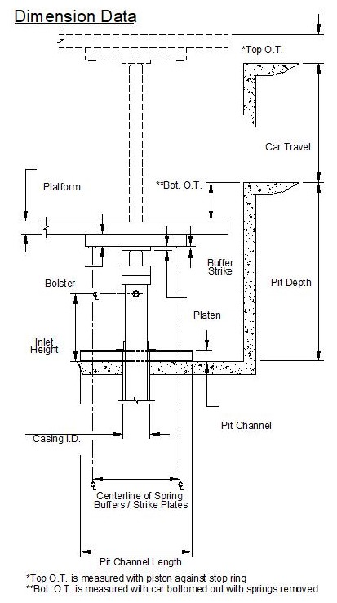
 |  |  |  |  |  | Options/Accessories:(check if required)
 |  |  |  |  |  |  | Number of Sections: (ACME Threaded Cyl. Joint Standard)
 |  |  |  |  |  |  |  | 1pc. | 2pc. |  |  | 3pc. |  | other
 |  |  |  |  |  |  | Longest possible length to install: |  |  |  |  |  |  |  |  |  |  | ft.
 |  |  |  |  |  |  | Oil Inlet Size: |  |  |  |  | in. |  | Threaded |  |  |  | Victaulic
 |  |  |  |  |  |  |  | Sealed PVC (Reduced fit, Threaded Flush Joints Standard)
 |  |  |  |  |  |  |  | Evacuation System
 |  |  |  |  |  |  |  | Water Stop Ring
 |  |  |  |  |  |  |  | Lift Hook Lifting Arrangement
 |  |  |  |  |  |  |  | Pit Channel Assembly
 |  |  |  |  |  |  |  | Spring Buffers |  |  | Stroke:
 |  |  |  |  |  |  |  | Platen Plate Assembly
 |  |  |  |  |  |  |  | Shut Off Valve(s) |  |  |  |  | Qty.
 |  |  |  |  |  |  |  | Spare Packing Kit |  |  |  |  | Qty.
 |  |  |  |  |  |  |  | Pipe Rupture Valve |  |  |  |  |  |  |  | in.
 |  |  |  |  |  | Additional Comments:

 |  |  |  |  |  | Shipping Information:
 |  |  |  |  |  |  | Ship to:

 |  |  |  |  |  |  | Ship Via: |  |  | Pick-up |  |  |  | Carrier
 |  |  |  |  |  |  | Terms: |  |  | Pre-paid |  |  |  | Collect |  |  | 3rd Party
 |  |  |  |  |  |  | Contact Name:
 |  |  |  |  |  |  | Contact Tel #:
 |  |  |  |  |  |  |  |  | (24 hrs. notice before delivery will be indicated unless otherwise noted)
Custom Elevator Manufacturing Company, Inc.
Address: P.O. Box 749 * 5191 Stump Rd. * Plumsteadville, PA 18949
Toll Free: (888) 443-2800 * Phone: (215) 766-3380 * Fax: (215) 766-3385
Web: www.customelevatorinc.com * Email: don@customelevatorinc.com

